Ex. Fans
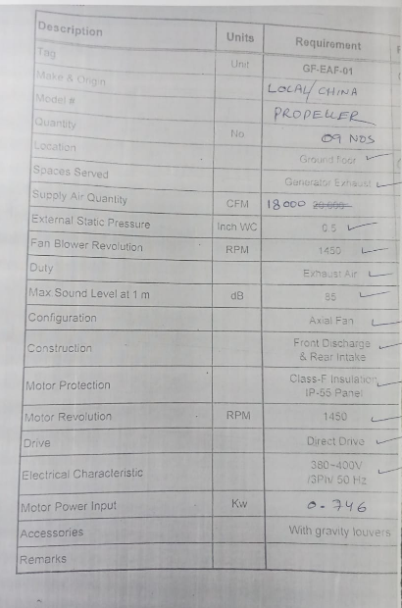
PIONEER SERVICES

 |  |  |  |  |  |  | 13-May-24
Meezan Bank Limited,
H.O. Building, Estate Avenue,
S.I.T.E., Karachi.

 | B.O.Q. for Supply & Installation of Exhaust Fans Outside Generator Room.

ITEM NO. | DESCRIPTION | Unit | QTY | MATERIAL RATE | LABOUR RATE | MATERIAL AMOUNT | LABOUR AMOUNT

1.0 | Supply of Imported 20,000-25,000 CFM Fans, without filters. (Total 200,000 CFM) delivery at site. | Nos. | 9 | 165,000 | 6,000 | 1,485,000 | 54,000
2.0 | Lifting, shifting and installation of Fans | Nos. | 9 | - | 3,000 | - | 27,000
3.0 | Supply & Installation of MS. Hardware, Fixing bolts for fans support. | Nos. | 9 | 10,000 | 2,000 | 90,000 | 18,000
4.0 | Supply & Installation of Vibration Isolators for Fans. | Nos. | 9 | 5,000 | 1,000 | 45,000 | 9,000
5.0 | Supply & Installation of MCC., for 8- 9Nos. Fans with DOL or ASD starters as per fan motor selection, and CT, multimeter, phase indication lights, magnetic contactors, Aux contact, overload relays, MOA, Push buttons etc., complete in all respect. | Nos. | 1 | 415,000 | 25,000 | 415,000 | 25,000
6.0 | Supply & Installation of out going Power wiring and earthing of Fans (DOL or ASD Connection as per fan motor selection) | Job | 1 | 335,000 | 50,000 | 335,000 | 50,000
7.0 | Safety guard on both side of fans with angle iron framing and protection. | Job | 1 | 250,000 | 90,000 | 250,000 | 90,000
8.0 | Civil Works, cutting of wall openings and making good of edges for fixing fans. | Job | 1 | 60,000 | 60,000 | 60,000 | 60,000
9.0 | Testing, Commissioning & Air balancing of Air system | Job | 1 |  | 40,000 | - | 40,000
 | Total supply Of material charges with GST. |  |  |  |  | 2,680,000 | 373,000
 | Add GST 18% on Material & SST 13% on Labour |  |  |  |  | 482,400 | 48,490
 | Sub Total amount |  |  |  |  | 3,162,400 | 421,490
 | Total supply and installation charges with taxes. |  |  |  |  | 3,583,890
Terms & Conditions :
1. GST & SRB included in the quote.
2. Material delivery will be 1 Week.
3. Total completion period 45 Days
4. 70% Advance and 30% after completion of work

Thanking you,

